Filtration Factors
Filtration Factor Testing. 60mL (BD Luer Lock) syringe, occluded on one end. Filter material tightly taped over open end with packing tape. Sampling line inserted through hole in sidewall of syringe
Machine - AccuFit 9000 (Levitt Safety)
Date: | April 20 2020
Location: | Toronto General Hospital, Department of Anesthesia |  |  |  |  |  |  |  |  |  |  |  | 4/26/2020 Additional Filters |  |  | 2020-05-01
Testers: | AS | WN
 | Filtration Factor (Outside particulate concentration : Inside particulate concentration, averaged by integral/time)
Run | N95 NIOSH Moldex | Camfil Vacuum Filter MERV15 1 ply | Camfil Vacuum Filter MERV15 2 ply | Woodbridge 5 Ply | Halyard H400 2Ply | Halyard H100 2Ply | NIOSH 5N11 | NIOSH 5N11 Repeat | Billings MERV14 1 Layer | Billings MERV14 2 Layer | HV MERV 14 1 ply | MERV14 with H100 1 Layer | HVMerv14 1-ply | HVMerv14 2-ply | HVMerv14 1-ply & H100 1-ply | Blue Shop Towel
1 | 143 | 52.9 | 428.2 | 29.52 | 16.51 | 5.78 | 13.06 | 7431.23 | 15 | 432.02 | 31.08 | 77.85 | 22.9 | 273.5 | 85.15
2 | 171 | 55.17 | 553.35 | 96.77 | 28.04 | 9.44 | 70.95 | 1794.58 | 44.61 | 495.42 | 43.68 | 105.32 | 25.5 | 304 | 84.4
3 | 151 | 56.08 | 562.07 | 266.33 | 30.11 | 16.42 | 264.26 | 1816.7 | 52.51 | 496.02 | 43.24 | 113.11 | 27.1 | 286.9 | 82.3
4 | 165 | 53.09 | 554.04 | 242.92 | 33.07 | 23.06 | 621.61 | 1453.35 | 55.5 | 494.74 | 42.61 | 124.35 | 28 | 261.1 | 79.5
5 | 165 | 51.57 | 513.72 | 225.9 | 31.09 | 29.7 | 2182.11 | 1797.04 | 58.82 | 404.21 | 44.25 | 116.25 | 25 | 239.6 | 76.6
6 | 167 | 52.8 | 593.11 | 338.89 | 31.56 | 32.47 | 10008.58 | 4197.66 | 61.09 | 545.98 | 44.09 | 115.86 | 24.8 | 295.3 | 75.8
7 | 155 | 53.46 | 840.48 | 409.79 | 30.5 | 30.32 | 6502.21 | 4285.79 | 61.82 | 477.38 | 42.44 | 115.81 | 27.9 | 267.4 | 74
Overall Filtration Factor | 155 | 53.54 | 557.81 | 113.09 | 27.41 | 14.56 |  | 2366.19 | 39.85 | 473.91 | 41.05 | 107.54 | 25.8 | 273.9 | 79.5

Average Filtration Factor | 163 | 52.73 | 625.3375 | 304.375 | 31.555 | 28.8875 | 4828.6275 | 2933.46 | 59.3075 | 480.5775 | 43.3475 | 118.0675 | 26.425 | 265.85 | 76.475

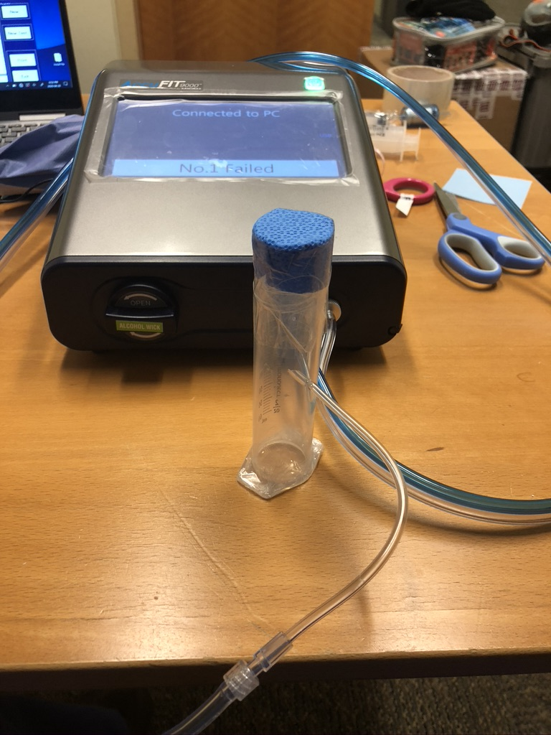
Note 1 - first 3 measurements used as equilibration time, and not included in average |  |  |  |  | Note 2
 |  |  |  |  | Overall Filtration Factor is given by a formula, where n= no. of runs, here n=7:
 |  |  |  |  | Overall FF = 1/(1/ff1 + 1/ff2 + 1/ff3 + 1/ff4 + 1/ff5 + 1/ff6 +1/ff7)

